FRONTED TEST EXECUTE
Frontend Test Execute and Reporting

Description | Preconditions | Action | Data | Expected Results | Results Obtained | Observaciones | Evidence | PASS | Bug
TC1: Validate successful login by entering the correct username and password. | *The user must be previously registered. *The user must be logged in to the user authentication interface. *The user must have a username and password. | *Enter valid username and password | username: testuser password: password | *The user must log in | *Login successfully | *When logging in, the token may be displayed, which can cause security issues. | 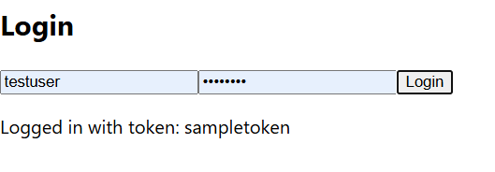 | PASSED
TC2: Validate that cannot log in by leaving the Username field empty and the Password correct. |  | *Leave the username field empty and the password field valid | username: password: password | *It should login failed | *Login failed |  |  | PASSED
TC3: Validate Unable to log in using correct Username and empty Password. |  | Enter a valid username and leave the password field empty. | username: testuser password: | *It should login failed | *Login failed |  |  | PASSED
TC4: Validate Unable to log in leaving all fields empty. |  | Send both the username and password fields empty. | username: password: | *It should login failed | *Login failed |  |  | PASSED
TC5: Validate Unable to log in using correct Username and incorrect Password. |  | Enter the correct username and an invalid password. | username: testeruser password: !##%/&()(&%&#" | *It should login failed | *Login failed |  |  | PASSED
TC6: Validate Unable to log in using incorrect username and correct password. |  | Enter invalid data in both fields | username: 23345 password: "vgersder" | *It should login failed | *Login failed |  |  | PASSED
TC7: Validate Unable to log in leaving Username empty and Password incorrect. |  | Send the username field empty and the password field invalid | username: password: 12345678 | *It should login failed | *Login failed |  |  | PASSED
TC8: Validate Unable to log in using Incorrect Username and Empty Password. |  | Send the name field invalid and the password field empty. | username: juan password: 12345678 | *It should login failed | *Login failed |  |  | PASSED
TC9: Validate successful session close

Improvement Proposal: To optimize user experience, it is recommended to implement clear and specific error messages that indicate exactly which field is invalid or requires correction. This will allow users to identify and resolve the issue efficiently, improving the system's perceived quality and avoiding confusion. An example could be: 'The username field cannot be empty.' 'The entered username is invalid. Please verify and try again.' With this improvement, the interaction becomes more intuitive and aligns with best practices in interface design and usability.

